Title Page
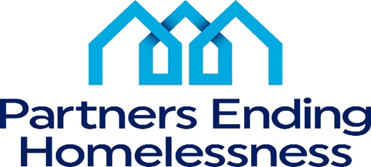

Agency Name:
Program Name:
Grant Identification #
Operating Year:
The number of HUD Units:
The number of HUD Beds:
Program Type:
Grant Amount Total: | $0.00
Leasing | $0.00
Rental Assistance | $0.00
Operations | $0.00
Support Services | $0.00
HMIS | $0.00
Administration | $0.00

Agency Representative(s) at review
Review Date:
Monitoring team at review:

Total Score | #DIV/0!

Please note that questions highlighted in red are scored as follows:
- If the answer is "No," a negative score is given, and the specified amount will be deducted from the total score.
- If the answer is "Yes," a zero score is given, and no points will be lost.

